Sheet1
ID | description | steps to reproduce | screen shot
Bug1 | there is no check box for I agree below email box | click on given login page--->click on signup
Bug 2 | No compulsory to select male or female and no prompt for not selecting | click on given login page--→enter the details without click on radio button --→click on signup | 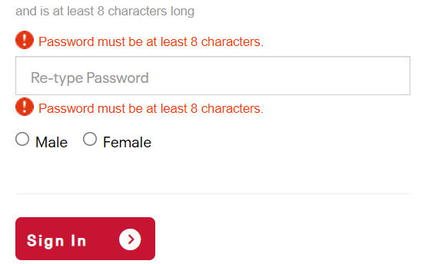
Bug3 | not checking for valid email ID | click on given login page--→enter the details without giving valid email id --→click on signup

